Personal monthly budget
Personal Monthly Budget
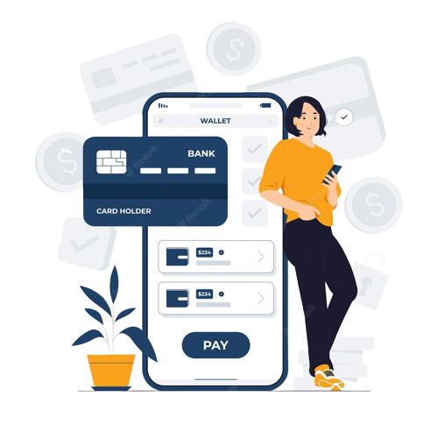
PROJECTED MONTHLY INCOME | Income 1 |  | ₹ -
 | Extra income |  | ₹ -
 | Total monthly income |  | ₹ -
ACTUAL MONTHLY INCOME | Income 1 |  | ₹ -
 | Extra income |  | ₹ -
 | Total monthly income |  | ₹ -

TOTAL PROJECTED EXPENSE | (Combined projected cost) |  | ₹ -
TOTAL ACTUAL EXPENSE | (Combined actual cost) |  | ₹ -
TOTAL EXPENSE DIFFERENCE |  |  | ₹ -
PROJECTED BALANCE | (Projected income minus expenses) |  | ₹ -
ACTUAL BALANCE | (Actual income minus expenses) |  | ₹ -
BALANCE DIFFERENCE (Actual minus projected) |  |  | ₹ -

HOUSING | PROJECTED COST | ACTUAL COST | DIFFERENCE | ENTERTAINMENT | PROJECTED COST | ACTUAL COST | DIFFERENCE
Mortgage or rent | ₹ - | ₹ - | ₹ - | Films |  | ₹ - | ₹ -
Phone Number | ₹ - | ₹ - | ₹ - | Concerts |  |  | ₹ -
Electricity | ₹ - | ₹ - | ₹ - | Sporting events |  |  | ₹ -
Gas | ₹ - | ₹ - | ₹ - | Live theatre |  |  | ₹ -
Water and sewer |  |  | ₹ - | Other |  |  | ₹ -
Cable |  |  | ₹ - | Other |  |  | ₹ -
Waste removal |  |  | ₹ - | Total | ₹ - | ₹ - | ₹ -
Maintenance or repairs |  |  | ₹ -
Supplies |  |  | ₹ - | LOANS | Projected cost | Actual cost | Difference
Other |  |  | ₹ - | Personal |  |  | ₹ -
Total | ₹ - | ₹ - | ₹ - | Student |  |  | ₹ -
 |  |  |  | Credit card |  |  | ₹ -
TRANSPORT | Projected cost | Actual cost | Difference | Credit card |  |  | ₹ -
Vehicle payment | ₹ - | ₹ - | ₹ - | Credit card |  |  | ₹ -
Bus/taxi fare |  |  | ₹ - | Other |  |  | ₹ -
Insurance |  |  | ₹ - | Total | ₹ - | ₹ - | ₹ -
Licensing |  |  | ₹ -
Fuel |  |  | ₹ - | TAXES | Projected cost | Actual cost | Difference
Maintenance |  |  | ₹ - | Income tax |  |  | ₹ -
Other |  |  | ₹ - | Council tax |  |  | ₹ -
Total | ₹ - | ₹ - | ₹ - | VAT/Corporation tax |  |  | ₹ -
 |  |  |  | Other |  |  | ₹ -
INSURANCE | Projected cost | Actual cost | Difference | Total | ₹ - | ₹ - | ₹ -
Home |  |  | ₹ -
Health |  |  | ₹ - | INVESTMENTS | Projected cost | Actual cost | Difference
Life |  |  | ₹ - | Retirement account |  |  | ₹ -
Other |  |  | ₹ - | Investment account |  |  | ₹ -
Total | ₹ - | ₹ - | ₹ - | Other |  |  | ₹ -
 |  |  |  | Total | ₹ - | ₹ - | ₹ -
FOOD | Projected cost | Actual cost | Difference
Food and drink |  |  | ₹ - | DONATIONS | Projected cost | Actual cost | Difference
Dining out |  |  | ₹ - | Charity 1 |  |  | ₹ -
Other |  |  | ₹ - | Charity 2 |  |  | ₹ -
Total | ₹ - | ₹ - | ₹ - | Charity 3 |  |  | ₹ -
 |  |  |  | Total | ₹ - | ₹ - | ₹ -
PETS | Projected cost | Actual cost | Difference
Food |  |  | ₹ - | LEGAL | Projected cost | Actual cost | Difference
Medical |  |  | ₹ - | Lawyer |  |  | ₹ -
Grooming |  |  | ₹ - | Spouse maintenance |  |  | ₹ -
Toys |  |  | ₹ - | Payments on lien |  |  | ₹ -
Other |  |  | ₹ - | Other |  |  | ₹ -
Total | ₹ - | ₹ - | ₹ - | Total | ₹ - | ₹ - | ₹ -

PERSONAL CARE | Projected cost | Actual cost | Difference
Medical |  |  | ₹ -
Hair/nails |  |  | ₹ -
Clothing |  |  | ₹ -
Dry cleaning |  |  | ₹ -
Health or Gym fee |  |  | ₹ -
Other |  |  | ₹ -
Total | ₹ - | ₹ - | ₹ -

